Instructions
 |  | How to Use This Template:
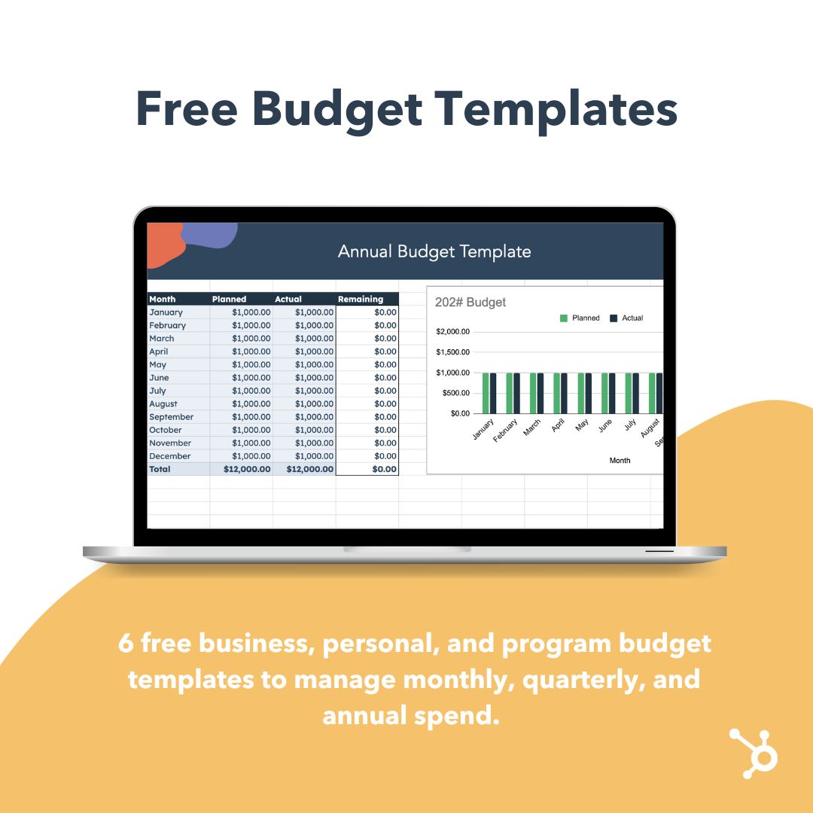

 |  | Choose the template from the list below that best aligns with your needs. The templates are completely customizable, but be careful adding rows/columns, as this could impac the equations in certain cells. Please note that any cells/columns that are wrapped by a solid black border contain an equation, so nothing should be added to those cells.

Budget Templates

 |  | Table of Contents

 |  | 1. Annual Budget Template 2. Annual Budget Template by Expense 3. Annual (with Quarterly) Budget Template 4. Monthly Budget Template 5. Program Budget Template 6. Personal Budget Template
Free Lesson: Paid Media and Marketing Ad Spend

Learn how to manage your budget with HubSpot Academy

 | Take the Free Course

Annual Budget Template
 |  |  | Annual Budget Template

202# Budget
Month | Planned | Actual | Remaining
January | $1,000.00 | $1,000.00 | $0.00
February | $1,000.00 | $1,000.00 | $0.00
March | $1,000.00 | $1,000.00 | $0.00
April | $1,000.00 | $1,000.00 | $0.00
May | $1,000.00 | $1,000.00 | $0.00
June | $1,000.00 | $1,000.00 | $0.00
July | $1,000.00 | $1,000.00 | $0.00
August | $1,000.00 | $1,000.00 | $0.00
September | $1,000.00 | $1,000.00 | $0.00
October | $1,000.00 | $1,000.00 | $0.00
November | $1,000.00 | $1,000.00 | $0.00
December | $1,000.00 | $1,000.00 | $0.00
Total | $12,000.00 | $12,000.00 | $0.00

Annual (with Quarterly) Budget
 |  |  | Annual Budget Template
Planned and Actual

Time/Expense | Planned | Actual | Remaining | Quarter | Planned | Actual | Remaining
Q1 | $500.00 | $1,000.00 | -$500.00 | Q1 | $500.00 | $1,000.00 | $500.00
January | $500.00 | $0.00 | $500.00 | Q2 | $1,000.00 | $500.00 | -$500.00
Program 1 |  |  | $0.00 | Q3 | $1,000.00 | $500.00 | -$500.00
Program 2 | $500.00 |  | $500.00 | Q4 | $1,000.00 | $500.00 | -$500.00
Program 3 |  |  | $0.00
February | $0.00 | $500.00 | -$500.00 | Quarter/Expense | Planned | Actual | Remaining
Program 1 |  |  | $0.00 | Q1 | $500.00 | $1,000.00 | $500.00
Program 2 |  | $500.00 | -$500.00 | Program 1 | $0.00 | $0.00 | $0.00
Program 3 |  |  | $0.00 | Program 2 | $500.00 | $1,000.00 | $500.00
March | $0.00 | $500.00 | -$500.00 | Program 3 | $0.00 | $0.00 | $0.00
Program 1 |  |  | $0.00 | Q2 | $1,000.00 | $500.00 | -$500.00
Program 2 |  | $500.00 | -$500.00 | Program 1 | $500.00 | $500.00 | $0.00
Program 3 |  |  | $0.00 | Program 2 | $500.00 | $0.00 | -$500.00
Q2 | $1,000.00 | $500.00 | $500.00 | Program 3 | $0.00 | $0.00 | $0.00
April | $500.00 | $0.00 | $500.00 | Q3 | $1,000.00 | $500.00 | -$500.00
Program 1 | $500.00 |  | $500.00 | Program 1 | $500.00 | $500.00 | $0.00
Program 2 |  |  | $0.00 | Program 2 | $500.00 | $0.00 | -$500.00
Program 3 |  |  | $0.00 | Program 3 | $0.00 | $0.00 | $0.00
May | $500.00 | $0.00 | $500.00 | Q4 | $1,000.00 | $500.00 | -$500.00
Program 1 |  |  | $0.00 | Program 1 | $0.00 | $0.00 | $0.00
Program 2 | $500.00 |  | $500.00 | Program 2 | $1,000.00 | $500.00 | -$500.00
Program 3 |  |  | $0.00 | Program 3 | $0.00 | $0.00 | $0.00
June | $0.00 | $500.00 | -$500.00
Program 1 |  | $500.00 | -$500.00
Program 2 |  |  | $0.00
Program 3 |  |  | $0.00
Q3 | $1,000.00 | $500.00 | $500.00
July | $500.00 | $0.00 | $500.00
Program 1 |  |  | $0.00
Program 2 | $500.00 |  | $500.00
Program 3 |  |  | $0.00
August | $0.00 | $500.00 | -$500.00
Program 1 |  | $500.00 | -$500.00
Program 2 |  |  | $0.00
Program 3 |  |  | $0.00
September | $500.00 | $0.00 | $500.00
Program 1 | $500.00 |  | $500.00
Program 2 |  |  | $0.00
Program 3 |  |  | $0.00
Q4 | $1,000.00 | $500.00 | $500.00
October | $500.00 | $0.00 | $500.00
Program 1 |  |  | $0.00
Program 2 | $500.00 |  | $500.00
Program 3 |  |  | $0.00
November | $0.00 | $500.00 | -$500.00
Program 1 |  |  | $0.00
Program 2 |  | $500.00 | -$500.00
Program 3 |  |  | $0.00
December | $500.00 | $0.00 | $500.00
Program 1 |  |  | $0.00
Program 2 | $500.00 |  | $500.00
Program 3 |  |  | $0.00
Total | $3,500.00 | $2,500.00 | $1,000.00

